HeatMap
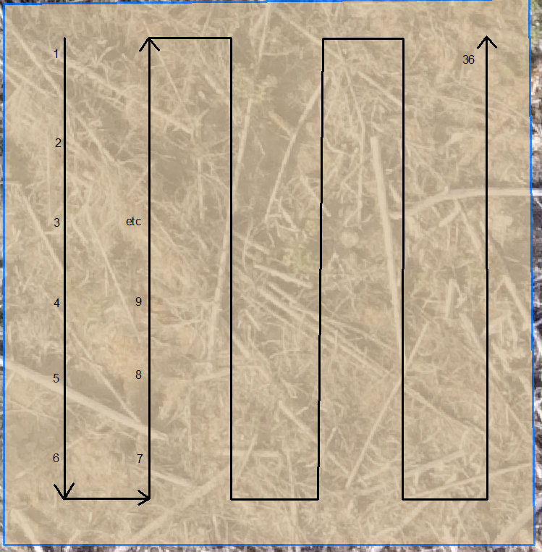
Sx | Sx | Sx | Pli | Pli | Pli | Lw | Lw | Lw | Fdi | Fdi | Fdi | Cw | Cw | Cw
39619 | 8482 | 63594 | 32274 | 13903 | 63705 | 39282 | 35192 | 63578 | 48678 | 8492 | 63540 | 53977 | 48519 | 40106
Local | Near | Far | Local | Near | Far | Local | Near | Far | Local | Near | Far | Local | Near | Far
 |  |  |  |  |  |  |  |  |  |  |  |  |  |  | 2019 Fall Survival Surveys |  |  |  |  |  |  |  |  |  |  |  |  |  |  |  |  |  | 2020 Spring Survival Surveys |  |  |  |  |  |  |  |  |  |  |  |  |  |  |  |  |  | 2020 Fall Survival Surveys
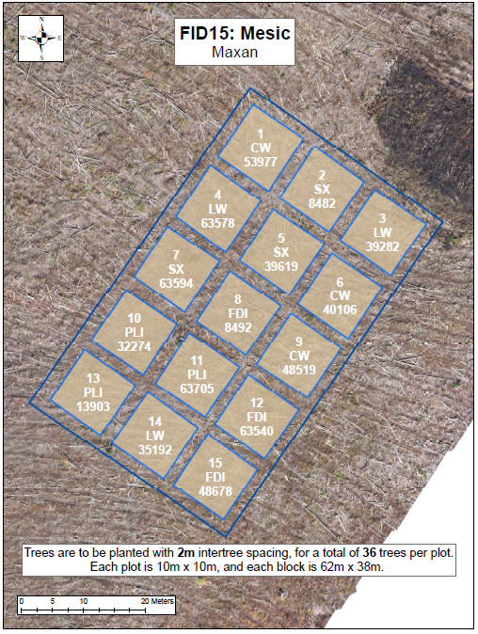
 |  |  |  |  |  |  |  |  |  |  |  |  |  |  | Good | Good | Good | Good | Good | Fair | Good | Fair | Good | Fair | Good | Good | Poor | Fair | Fair | Poor | Good | Poor | Fair | Fair | Fair | Good | Fair | Fair | Fair | Poor | Fair | Fair | Good | Fair | Poor | Poor | Poor | Poor | Good | Poor | Fair | Poor | Moribund | Good | Moribund | Poor | Fair | Fair | Good | Fair | Fair | Good | Good | Fair | Fair | Poor | Good | Fair
 |  |  |  |  |  |  |  |  |  |  |  |  |  |  | Fair | Good | Fair | Poor | Fair | Fair | Good | Good | Good | Good | Good | Good | Good | Poor | Fair | Moribund | Poor | Fair | Fair | Fair | Fair | Poor | Fair | Fair | Fair | Good | Good | Fair | Fair | Fair | Fair | Poor | Fair | Moribund | Poor | Fair | Fair | Fair | Poor | Moribund | Poor | Fair | Good | Good | Poor | Good | Fair | Good | Good | Good | Good | Poor | Good | Fair
 |  |  |  |  |  |  |  |  |  |  |  |  |  |  | Fair | Poor | Fair | Fair | Fair | Fair | Good | Good | Good | Good | Good | Good | Fair | Poor | Fair | Fair | Fair | Good | Fair | Poor | Fair | Fair | Fair | Fair | Fair | Good | Good | Fair | Good | Good | Moribund | Moribund | Fair | Poor | Moribund | Fair | Fair | Dead | Dead | Moribund | Moribund | Moribund | Good | Fair | Good | Fair | Fair | Good | Fair | Poor | Fair | Poor | Poor | Good
 |  |  |  |  |  |  |  |  |  |  |  |  |  |  | Good | Fair | Fair | Good | Good | Good | Good | Good | Good | Good | Good | Good | Poor | Fair | Fair | Poor | Poor | Poor | Fair | Fair | Fair | Fair | Fair | Fair | Fair | Good | Fair | Good | Good | Fair | Poor | Fair | Poor | Poor | Moribund | Moribund | Fair | Fair | Moribund | Moribund | Fair | Fair | Good | Good | Fair | Fair | Good | Good | Fair | Good | Fair | Poor | Poor | Poor
 |  |  |  |  |  |  |  |  |  |  |  |  |  |  | Good | Fair | Good | Good | Good | Good | Good | Good | Good | Good | Good | Fair | Poor | Poor | Poor | Poor | Fair | Poor | Fair | Fair | Fair | Fair | Fair | Fair | Good | Good | Fair | Good | Good | Fair | Poor | Fair | Poor | Moribund | Poor | Moribund | Poor | Moribund | Moribund | Fair | Good | Moribund | Good | Good | Poor | Good | Good | Fair | Good | Poor | Poor | Poor | Fair | Missing
 |  |  |  |  |  |  |  |  |  |  |  |  |  |  | Fair | Good | Fair | Good | Good | Good | Good | Good | Good | Good | Good | Good | Poor | Fair | Fair | Fair | Poor | Fair | Poor | Fair | Poor | Poor | Fair | Fair | Good | Fair | Good | Good | Good | Good | Poor | Fair | Fair | Poor | Poor | Fair | Dead | Fair | Poor | Poor | Fair | Good | Good | Fair | Good | Good | Fair | Fair | Fair | Good | Good | Fair | Fair | Fair

 |  |  |  |  |  |  |  |  |  |  |  |  |  |  | Fair | Moribund | Good | Good | Moribund | Good | Good | Good | Good | Good | Good | Good | Good | Fair | Good | Good | Fair | Good | Poor | Dead | Good | Fair | Fair | Good | Fair | Good | Fair | Good | Fair | Good | Good | Fair | Good | Good | Fair | Fair | Good | Dead | Good | Missing | Fair | Good | Good | Good | Fair | Good | Poor | Fair | Good | Fair | Good | Fair | Moribund | Fair
 |  |  |  |  |  |  |  |  |  |  |  |  |  |  | Fair | Good | Good | Fair | Poor | Fair | Good | Good | Good | Good | Good | Good | Good | Fair | Good | Good | Good | Good | Fair | Fair | Good | Dead | Dead | Fair | Fair | Good | Good | Good | Good | Fair | Fair | Poor | Fair | Good | Fair | Fair | Poor | Good | Poor | Good | Moribund | Fair | Fair | Fair | Good | Fair | Good | Good | Fair | Poor | Fair | Fair | Fair | Moribund
 |  |  |  |  |  |  |  |  |  |  |  |  |  |  | Fair | Good | Good | Good | Good | Good | Good | Good | Good | Good | Good | Good | Good | Fair | Good | Fair | Good | Fair | Poor | Poor | Fair | Poor | Fair | Poor | Good | Fair | Good | Fair | Good | Good | Poor | Fair | Good | Fair | Fair | Fair | Good | Good | Good | Good | Good | Good | Good | Good | Fair | Good | Good | Fair | Good | Fair | Good | Poor | Good | Good
 |  |  |  |  |  |  |  |  |  |  |  |  |  |  | Fair | Good | Good | Good | Fair | Good | Good | Good | Good | Good | Good | Good | Good | Good | Fair | Fair | Fair | Fair | Moribund | Fair | Moribund | Fair | Moribund | Fair | Fair | Good | Good | Fair | Fair | Good | Fair | Fair | Fair | Poor | Fair | Poor | Good | Good | Dead | Good | Moribund | Good | Good | Fair | Fair | Fair | Good | Good | Good | Good | Fair | Fair | Poor | Poor
 |  |  |  |  |  |  |  |  |  |  |  |  |  |  | Good | Fair | Poor | Good | Good | Fair | Good | Good | Good | Good | Fair | Fair | Good | Good | Good | Fair | Fair | Good | Poor | Poor | Fair | Fair | Poor | Poor | Good | Good | Fair | Fair | Fair | Fair | Fair | Fair | Fair | Fair | Poor | Fair | Fair | Good | Good | Good | Fair | Poor | Good | Good | Good | Good | Poor | Fair | Good | Fair | Fair | Poor | Poor | Poor
 |  |  |  |  |  |  |  |  |  |  |  |  |  |  | Good | Poor | Good | Good | Good | Good | Good | Good | Good | Good | Good | Good | Fair | Fair | Good | Good | Fair | Fair | Fair | Moribund | Moribund | Poor | Moribund | Fair | Fair | Good | Good | Fair | Fair | Fair | Poor | Poor | Fair | Fair | Fair | Fair | Good | Fair | Good | Good | Poor | Good | Good | Good | Good | Fair | Good | Good | Dead | Moribund | Good | Dead | Poor | Fair

 |  |  |  |  |  |  |  |  |  |  |  |  |  |  | Good | Fair | Good | Good | Fair | Good | Fair | Good | Good | Good | Fair | Good | Fair | Poor | Fair | Fair | Poor | Fair | Fair | Fair | Good | Good | Fair | Good | Poor | Poor | Good | Fair | Poor | Fair | Poor | Poor | Poor | Poor | Poor | Poor | Good | Fair | Fair | Good | Good | Good | Poor | Fair | Fair | Fair | Fair | Fair | Fair | Fair | Poor | Poor | Good | Good
 |  |  |  |  |  |  |  |  |  |  |  |  |  |  | Fair | Fair | Fair | Good | Fair | Fair | Fair | Good | Fair | Good | Good | Good | Fair | Fair | Poor | Fair | Fair | Good | Good | Fair | Fair | Good | Poor | Fair | Poor | Fair | Fair | Fair | Fair | Fair | Moribund | Poor | Moribund | Poor | Poor | Poor | Good | Good | Good | Good | Poor | Good | Poor | Good | Poor | Fair | Fair | Fair | Poor | Fair | Dead | Fair | Poor | Fair
 |  |  |  |  |  |  |  |  |  |  |  |  |  |  | Good | Good | Good | Good | Good | Fair | Good | Good | Good | Good | Good | Good | Fair | Poor | Fair | Poor | Fair | Fair | Fair | Poor | Fair | Fair | Good | Fair | Poor | Fair | Fair | Fair | Fair | Fair | Poor | Poor | Poor | Poor | Poor | Poor | Fair | Fair | Good | Good | Good | Poor | Poor | Poor | Fair | Poor | Fair | Fair | Fair | Fair | Poor | Poor | Poor | Fair
 |  |  |  |  |  |  |  |  |  |  |  |  |  |  | Good | Fair | Fair | Good | Fair | Good | Good | Good | Good | Good | Good | Good | Poor | Fair | Poor | Poor | Fair | Fair | Fair | Poor | Poor | Fair | Poor | Poor | Good | Fair | Poor | Fair | Fair | Poor | Poor | Poor | Poor | Poor | Poor | Poor | Fair | Fair | Fair | Good | Poor | Poor | Good | Fair | Moribund | Good | Fair | Fair | Poor | Fair | Dead | Fair | Fair | Poor
 |  |  |  |  |  |  |  |  |  |  |  |  |  |  | Fair | Good | Good | Good | Fair | Fair | Good | Fair | Good | Good | Good | Good | Fair | Fair | Fair | Poor | Poor | Good | Poor | Poor | Fair | Poor | Poor | Fair | Good | Fair | Fair | Fair | Good | Poor | Poor | Poor | Poor | Fair | Poor | Poor | Fair | Fair | Good | Fair | Good | Fair | Fair | Poor | Good | Good | Good | Fair | Fair | Fair | Poor | Good | Fair | Poor
 |  |  |  |  |  |  |  |  |  |  |  |  |  |  | Fair | Good | Good | Good | Fair | Fair | Good | Good | Good | Good | Good | Good | Poor | Fair | Good | Fair | Fair | Fair | Poor | Fair | Fair | Good | Poor | Poor | Good | Good | Good | Poor | Poor | Fair | Poor | Poor | Poor | Poor | Poor | Poor | Poor | Poor | Fair | Good | Fair | Good | Fair | Good | Fair | Poor | Fair | Fair | Moribund | Fair | Poor | Fair | Poor | Poor

 |  |  |  |  |  |  |  |  |  |  |  |  |  |  | Good | Good | Good | Good | Good | Good | Good | Good | Good | Fair | Good | Good | Fair | Fair | Fair | Poor | Poor | Fair | Fair | Good | Good | Fair | Fair | Fair | Poor | Fair | Good | Fair | Fair | Fair | Fair | Poor | Fair | Poor | Poor | Poor | Fair | Poor | Fair | Fair | Poor | Fair | Fair | Fair | Good | Fair | Fair | Fair | Poor | Poor | Fair | Poor | Poor | Poor
 |  |  |  |  |  |  |  |  |  |  |  |  |  |  | Good | Good | Fair | Good | Good | Good | Good | Fair | Good | Good | Good | Fair | Fair | Poor | Poor | Fair | Poor | Poor | Good | Fair | Fair | Good | Fair | Good | Good | Fair | Good | Good | Fair | Fair | Fair | Poor | Poor | Poor | Poor | Poor | Good | Fair | Fair | Good | Poor | Good | Good | Fair | Fair | Fair | Fair | Fair | Fair | Poor | Poor | Fair | Dead | Poor
 |  |  |  |  |  |  |  |  |  |  |  |  |  |  | Good | Fair | Good | Good | Fair | Good | Good | Good | Good | Good | Fair | Fair | Poor | Poor | Poor | Poor | Poor | Poor | Good | Fair | Good | Fair | Poor | Fair | Good | Good | Fair | Poor | Fair | Fair | Poor | Poor | Poor | Fair | Poor | Poor | Fair | Poor | Good | Fair | Poor | Good | Good | Good | Fair | Fair | Poor | Fair | Poor | Poor | Poor | Fair | Missing | Moribund
 |  |  |  |  |  |  |  |  |  |  |  |  |  |  | Good | Good | Good | Good | Good | Good | Fair | Good | Good | Good | Good | Good | Poor | Poor | Fair | Poor | Poor | Good | Fair | Good | Fair | Good | Good | Fair | Poor | Fair | Good | Good | Good | Good | Fair | Poor | Poor | Poor | Poor | Good | Good | Good | Fair | Fair | Fair | Fair | Poor | Good | Fair | Fair | Good | Good | Poor | Poor | Moribund | Poor | Poor | Good
 |  |  |  |  |  |  |  |  |  |  |  |  |  |  | Good | Good | Good | Good | Good | Good | Good | Good | Good | Fair | Fair | Good | Poor | Poor | Poor | Fair | Fair | Fair | Good | Fair | Fair | Fair | Fair | Fair | Fair | Good | Fair | Fair | Fair | Good | Poor | Poor | Poor | Poor | Fair | Fair | Good | Fair | Fair | Poor | Fair | Poor | Fair | Good | Fair | Fair | Fair | Good | Fair | Poor | Poor | Moribund | Poor | Fair
 |  |  |  |  |  |  |  |  |  |  |  |  |  |  | Fair | Good | Good | Good | Good | Fair | Good | Good | Good | Good | Fair | Good | Poor | Poor | Fair | Fair | Fair | Poor | Fair | Fair | Fair | Fair | Fair | Fair | Fair | Fair | Fair | Fair | Fair | Fair | Poor | Poor | Poor | Fair | Fair | Poor | Good | Good | Poor | Poor | Poor | Fair | Fair | Fair | Fair | Fair | Poor | Good | Fair | Poor | Dead | Good | Fair | Poor

 |  |  |  |  |  |  |  |  |  |  |  |  |  |  | Fair | Good | Good | Good | Good | Good | Fair | Good | Fair | Good | Good | Fair | Fair | Fair | Poor | Fair | Fair | Fair | Fair | Fair | Good | Good | Fair | Good | Poor | Fair | Poor | Poor | Fair | Moribund | Poor | Poor | Poor | Poor | Poor | Poor | Good | Dead | Good | Fair | Poor | Good | Good | Fair | Fair | Fair | Fair | Dead | Good | Moribund | Poor | Dead | Dead | Fair
 |  |  |  |  |  |  |  |  |  |  |  |  |  |  | Good | Good | Good | Good | Good | Good | Good | Good | Moribund | Poor | Good | Poor | Good | Good | Poor | Poor | Poor | Fair | Good | Good | Good | Fair | Fair | Good | Fair | Poor | Poor | Poor | Fair | Fair | Poor | Poor | Poor | Moribund | Poor | Poor | Good | Good | Good | Fair | Fair | Fair | Good | Good | Poor | Poor | Fair | Fair | Poor | Good | Poor | Missing | Moribund | Dead
 |  |  |  |  |  |  |  |  |  |  |  |  |  |  | Fair | Good | Fair | Good | Good | Good | Dead | Good | Good | Good | Good | Fair | Fair | Poor | Poor | Poor | Poor | Poor | Good | Good | Fair | Good | Fair | Fair | Dead | Fair | Poor | Poor | Fair | Fair | Poor | Poor | Poor | Poor | Poor | Poor | Fair | Good | Fair | Fair | Fair | Fair | Dead | Good | Fair | Poor | Good | Good | Poor | Dead | Fair | Poor | Moribund | Moribund
 |  |  |  |  |  |  |  |  |  |  |  |  |  |  | Good | Good | Good | Good | Good | Good | Good | Good | Fair | Fair | Poor | Dead | Good | Fair | Fair | Poor | Dead | Poor | Good | Fair | Good | Fair | Good | Fair | Poor | Good | Fair | Poor | Poor | Poor | Fair | Poor | Poor | Poor | Dead | Poor | Fair | Good | Fair | Fair | Good | Fair | Fair | Good | Good | Poor | Fair | Fair | Fair | Fair | Poor | Dead | Dead | Moribund
 |  |  |  |  |  |  |  |  |  |  |  |  |  |  | Good | Good | Good | Good | Good | Good | Fair | Good | Good | Poor | Fair | Fair | Good | Fair | Poor | Fair | Poor | Poor | Fair | Good | Good | Good | Good | Good | Poor | Poor | Fair | Fair | Poor | Fair | Fair | Poor | Poor | Poor | Poor | Poor | Fair | Fair | Good | Good | Good | Good | Good | Good | Good | Fair | Poor | Fair | Fair | Dead | Fair | Poor | Fair | Poor
 |  |  |  |  |  |  |  |  |  |  |  |  |  |  | Good | Good | Good | Good | Good | Good | Good | Good | Good | Poor | Fair | Dead | Fair | Fair | Fair | Fair | Fair | Fair | Good | Good | Fair | Fair | Good | Good | Fair | Poor | Fair | Fair | Poor | Dead | Fair | Fair | Poor | Fair | Poor | Poor | Good | Good | Good | Fair | Good | Good | Good | Good | Fair | Good | Poor | Dead | Poor | Poor | Poor | Fair | Fair | Poor

Height Stats
 | Sx | Sx | Sx | Pli | Pli | Pli | Lw | Lw | Lw | Fdi | Fdi | Fdi | Cw | Cw | Cw
 | 39619 | 8482 | 63594 | 32274 | 13903 | 63705 | 39282 | 35192 | 63578 | 48678 | 8492 | 63540 | 53977 | 48519 | 40106
Average Height (cm) | 33.3 | 32.8 | 33.3 | 27.1 | 31.7 | 34.2 | 26.7 | 31.5 | 25.1 | 14.5 | 21.6 | 16.5 | 30.2 | 23.1 | 26.8
Min Height | 21.0 | 20.0 | 22.0 | 14.0 | 23.0 | 26.0 | 17.0 | 23.0 | 11.0 | 8.0 | 13.0 | 12.0 | 16.0 | 15.0 | 18.0
Max Height | 50.0 | 51.0 | 43.0 | 40.0 | 44.0 | 43.0 | 42.0 | 48.0 | 36.0 | 20.0 | 32.0 | 29.0 | 45.0 | 33.0 | 42.0
Average Diameter (mm) | 6.3 | 6.4 | 5.9 | 5.8 | 6.9 | 6.0 | 4.0 | 4.8 | 5.3 | 3.7 | 4.4 | 3.0 | 5.0 | 3.8 | 5.5
Min Diameter | 2.0 | 4.0 | 4.0 | 4.0 | 4.0 | 4.0 | 2.0 | 3.0 | 3.0 | 2.0 | 2.0 | 2.0 | 3.0 | 2.0 | 4.0
Max Diameter | 10.0 | 10.0 | 10.0 | 8.0 | 12.0 | 9.0 | 6.0 | 8.0 | 8.0 | 6.0 | 8.0 | 5.0 | 7.0 | 6.0 | 8.0
Average Leader Length (cm) | 6.8 | 7.2 | 8.4 | 5.1 | 9.0 | 6.9 | 8.3 | 6.0 | 8.9 | 3.7 | 3.1 | 3.6 | 6.8 | 7.4 | 9.9
Min Leader Length | 1.0 | 1.0 | 2.0 | 2.0 | 4.0 | 3.0 | 0.0 | 0.0 | 3.0 | 2.0 | 0.0 | 0.0 | 2.0 | 0.0 | 5.0
Max Leader Length | 23.0 | 22.0 | 16.0 | 12.0 | 19.0 | 18.0 | 20.0 | 16.0 | 17.0 | 5.0 | 8.0 | 9.0 | 16.0 | 15.0 | 18.0

